PARTICLE Raw
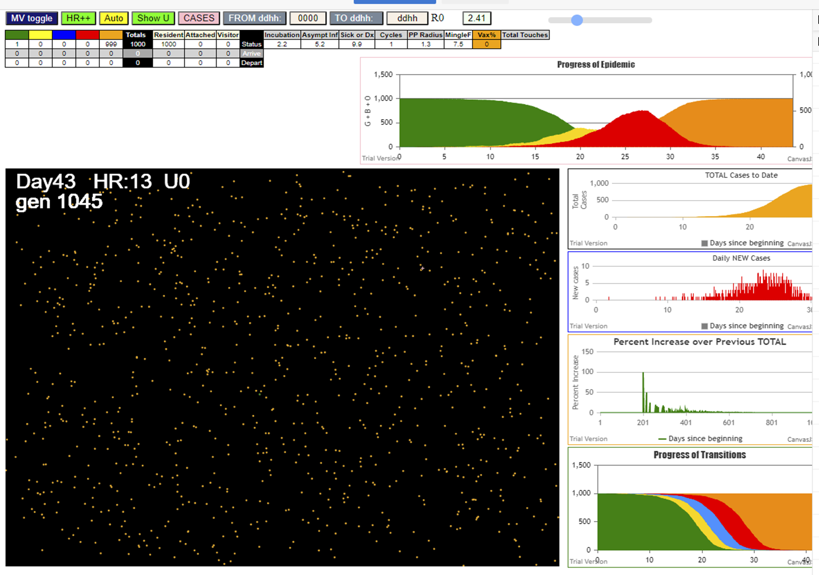

AgeVaxH35.js:871 Fri Jan 29 2021 23:24:28 GMT-0800 (Pacific Standard Time)
AgeVaxH35.js:872 CovidSIMVL Mode1 and Mod2 Hybrid 35d
AgeVaxH35.js:873 Mode 1 >13 and <36 is 75%
AgeVaxH35.js:874 Mode 2 >28 is 95%; >13 and <29 is 75%
AgeVaxH35.js:4464 exit covidSim
AgeVaxH35.js:23 getAsText File {name: "Popn1000.csv", lastModified: 1611021598000, lastModifiedDate: Mon Jan 18 2021 17:59:58 GMT-0800 (Pacific Standard Time), webkitRelativePath: "", size: 23944, …}
AgeVaxH35.js:32 File {name: "Popn1000.csv", lastModified: 1611021598000, lastModifiedDate: Mon Jan 18 2021 17:59:58 GMT-0800 (Pacific Standard Time), webkitRelativePath: "", size: 23944, …}
AgeVaxH35.js:23 getAsText File {name: "VL1.csv", lastModified: 1610741684000, lastModifiedDate: Fri Jan 15 2021 12:14:44 GMT-0800 (Pacific Standard Time), webkitRelativePath: "", size: 63, …}
AgeVaxH35.js:32 File {name: "VL1.csv", lastModified: 1610741684000, lastModifiedDate: Fri Jan 15 2021 12:14:44 GMT-0800 (Pacific Standard Time), webkitRelativePath: "", size: 63, …}
AgeVaxH35.js:1675 Red Days changed to 9.9
AgeVaxH35.js:1697 New Hazard Radius = 1.3
AgeVaxH35.js:1711 new Mingle Factor = 7.5
AgeVaxH35.js:2305 1I x:ageGp:fam 610:4:-1 by red 0:5:-1 at gen85 Univ0 prob=0.579
AgeVaxH35.js:2305 2I x:ageGp:fam 914:7:-1 by red 0:5:-1 at gen90 Univ0 prob=0.995
AgeVaxH35.js:2305 3I x:ageGp:fam 317:2:-1 by red 0:5:-1 at gen95 Univ0 prob=0.715
AgeVaxH35.js:2305 4I x:ageGp:fam 449:3:-1 by red 0:5:-1 at gen110 Univ0 prob=0.449
AgeVaxH35.js:2305 5I x:ageGp:fam 300:2:-1 by red 0:5:-1 at gen133 Univ0 prob=0.690
AgeVaxH35.js:2305 6I x:ageGp:fam 357:2:-1 by blue 914:7:-1 at gen140 Univ0 prob=0.323
AgeVaxH35.js:2305 7I x:ageGp:fam 55:1:-1 by blue 610:4:-1 at gen149 Univ0 prob=0.993
AgeVaxH35.js:2305 8I x:ageGp:fam 651:4:-1 by blue 610:4:-1 at gen168 Univ0 prob=0.314
AgeVaxH35.js:2305 9I x:ageGp:fam 237:2:-1 by blue 610:4:-1 at gen170 Univ0 prob=0.939
AgeVaxH35.js:2305 10I x:ageGp:fam 120:1:-1 by blue 610:4:-1 at gen174 Univ0 prob=0.925
AgeVaxH35.js:2305 10I x:ageGp:fam 681:4:-1 by blue 610:4:-1 at gen174 Univ0 prob=0.341
AgeVaxH35.js:2305 12I x:ageGp:fam 496:3:-1 by yellow 120:1:-1 at gen176 Univ0 prob=0.703
AgeVaxH35.js:2305 12I x:ageGp:fam 271:2:-1 by yellow 496:3:-1 at gen177 Univ0 prob=0.882
AgeVaxH35.js:2305 14I x:ageGp:fam 885:6:-1 by blue 914:7:-1 at gen181 Univ0 prob=0.063
AgeVaxH35.js:2305 15I x:ageGp:fam 530:3:-1 by blue 449:3:-1 at gen184 Univ0 prob=0.620
AgeVaxH35.js:2305 15I x:ageGp:fam 793:5:-1 by blue 449:3:-1 at gen185 Univ0 prob=0.999
AgeVaxH35.js:2305 17I x:ageGp:fam 260:2:-1 by red 610:4:-1 at gen201 Univ0 prob=0.827
AgeVaxH35.js:2305 18I x:ageGp:fam 654:4:-1 by blue 449:3:-1 at gen203 Univ0 prob=0.775
AgeVaxH35.js:2305 18I x:ageGp:fam 487:3:-1 by yellow 260:2:-1 at gen204 Univ0 prob=0.570
AgeVaxH35.js:2305 18I x:ageGp:fam 501:3:-1 by red 610:4:-1 at gen204 Univ0 prob=0.745
AgeVaxH35.js:2305 21I x:ageGp:fam 370:3:-1 by blue 55:1:-1 at gen208 Univ0 prob=0.150
AgeVaxH35.js:2305 22I x:ageGp:fam 397:3:-1 by blue 317:2:-1 at gen211 Univ0 prob=0.595
AgeVaxH35.js:2305 23I x:ageGp:fam 975:8:-1 by blue 300:2:-1 at gen214 Univ0 prob=0.369
AgeVaxH35.js:2305 24I x:ageGp:fam 775:5:-1 by blue 449:3:-1 at gen217 Univ0 prob=0.545
AgeVaxH35.js:2305 25I x:ageGp:fam 893:6:-1 by blue 681:4:-1 at gen233 Univ0 prob=0.468
AgeVaxH35.js:2305 26I x:ageGp:fam 998:9:-1 by blue 300:2:-1 at gen237 Univ0 prob=0.541
AgeVaxH35.js:2305 26I x:ageGp:fam 488:3:-1 by blue 357:2:-1 at gen237 Univ0 prob=0.832
AgeVaxH35.js:2305 28I x:ageGp:fam 94:1:-1 by blue 237:2:-1 at gen245 Univ0 prob=0.516
AgeVaxH35.js:2305 28I x:ageGp:fam 111:1:-1 by blue 651:4:-1 at gen245 Univ0 prob=0.241
AgeVaxH35.js:2305 28I x:ageGp:fam 93:1:-1 by red 914:7:-1 at gen246 Univ0 prob=0.073
AgeVaxH35.js:2305 28I x:ageGp:fam 908:7:-1 by blue 651:4:-1 at gen246 Univ0 prob=0.999
AgeVaxH35.js:2305 32I x:ageGp:fam 850:6:-1 by blue 651:4:-1 at gen251 Univ0 prob=0.984
AgeVaxH35.js:2305 33I x:ageGp:fam 741:5:-1 by blue 271:2:-1 at gen255 Univ0 prob=0.755
AgeVaxH35.js:2305 33I x:ageGp:fam 23:0:-1 by blue 530:3:-1 at gen256 Univ0 prob=0.107
AgeVaxH35.js:2305 33I x:ageGp:fam 257:2:-1 by blue 496:3:-1 at gen256 Univ0 prob=0.688
AgeVaxH35.js:2305 33I x:ageGp:fam 575:4:-1 by blue 487:3:-1 at gen256 Univ0 prob=0.743
AgeVaxH35.js:2305 37I x:ageGp:fam 158:2:-1 by red 610:4:-1 at gen260 Univ0 prob=0.419
AgeVaxH35.js:2305 37I x:ageGp:fam 548:4:-1 by blue 357:2:-1 at gen260 Univ0 prob=0.805
AgeVaxH35.js:2305 37I x:ageGp:fam 409:3:-1 by blue 681:4:-1 at gen260 Univ0 prob=0.460
AgeVaxH35.js:2305 37I x:ageGp:fam 597:4:-1 by blue 681:4:-1 at gen260 Univ0 prob=0.761
AgeVaxH35.js:2305 41I x:ageGp:fam 295:2:-1 by blue 496:3:-1 at gen263 Univ0 prob=0.571
AgeVaxH35.js:2305 41I x:ageGp:fam 380:3:-1 by blue 260:2:-1 at gen264 Univ0 prob=0.443
AgeVaxH35.js:2305 41I x:ageGp:fam 531:3:-1 by red 317:2:-1 at gen264 Univ0 prob=0.171
AgeVaxH35.js:2305 44I x:ageGp:fam 243:2:-1 by blue 237:2:-1 at gen273 Univ0 prob=0.980
AgeVaxH35.js:2305 44I x:ageGp:fam 700:5:-1 by blue 260:2:-1 at gen274 Univ0 prob=0.006
AgeVaxH35.js:2305 44I x:ageGp:fam 688:4:-1 by red 317:2:-1 at gen274 Univ0 prob=0.304
AgeVaxH35.js:2305 47I x:ageGp:fam 424:3:-1 by red 55:1:-1 at gen277 Univ0 prob=0.434
AgeVaxH35.js:2305 47I x:ageGp:fam 127:1:-1 by blue 530:3:-1 at gen277 Univ0 prob=0.562
AgeVaxH35.js:2305 47I x:ageGp:fam 185:2:-1 by blue 120:1:-1 at gen278 Univ0 prob=0.114
AgeVaxH35.js:2305 49I x:ageGp:fam 302:2:-1 by blue 487:3:-1 at gen279 Univ0 prob=0.380
AgeVaxH35.js:2305 49I x:ageGp:fam 909:7:-1 by red 449:3:-1 at gen279 Univ0 prob=0.527
AgeVaxH35.js:2305 49I x:ageGp:fam 672:4:-1 by red 610:4:-1 at gen279 Univ0 prob=0.142
AgeVaxH35.js:2305 49I x:ageGp:fam 882:6:-1 by blue 654:4:-1 at gen279 Univ0 prob=0.069
AgeVaxH35.js:2305 50I x:ageGp:fam 352:2:-1 by blue 654:4:-1 at gen280 Univ0 prob=0.870
AgeVaxH35.js:2305 50I x:ageGp:fam 386:3:-1 by blue 370:3:-1 at gen280 Univ0 prob=0.359
AgeVaxH35.js:2305 54I x:ageGp:fam 643:4:-1 by blue 271:2:-1 at gen281 Univ0 prob=0.179
AgeVaxH35.js:2305 54I x:ageGp:fam 961:8:-1 by red 300:2:-1 at gen281 Univ0 prob=0.419
AgeVaxH35.js:2305 58I x:ageGp:fam 13:0:-1 by blue 260:2:-1 at gen284 Univ0 prob=0.628
AgeVaxH35.js:2305 58I x:ageGp:fam 438:3:-1 by blue 496:3:-1 at gen285 Univ0 prob=0.765
AgeVaxH35.js:2305 60I x:ageGp:fam 890:6:-1 by blue 775:5:-1 at gen287 Univ0 prob=0.285
AgeVaxH35.js:2305 60I x:ageGp:fam 234:2:-1 by red 449:3:-1 at gen288 Univ0 prob=0.259
AgeVaxH35.js:2305 60I x:ageGp:fam 471:3:-1 by red 317:2:-1 at gen288 Univ0 prob=0.916
AgeVaxH35.js:2305 61I x:ageGp:fam 433:3:-1 by red 610:4:-1 at gen289 Univ0 prob=0.358
AgeVaxH35.js:2305 61I x:ageGp:fam 600:4:-1 by red 914:7:-1 at gen289 Univ0 prob=0.449
AgeVaxH35.js:2305 63I x:ageGp:fam 151:2:-1 by blue 397:3:-1 at gen290 Univ0 prob=0.678
AgeVaxH35.js:2305 63I x:ageGp:fam 319:2:-1 by blue 260:2:-1 at gen290 Univ0 prob=0.933
AgeVaxH35.js:2305 63I x:ageGp:fam 391:3:-1 by blue 885:6:-1 at gen290 Univ0 prob=0.748
AgeVaxH35.js:2305 65I x:ageGp:fam 469:3:-1 by red 55:1:-1 at gen291 Univ0 prob=0.229
AgeVaxH35.js:2305 68I x:ageGp:fam 190:2:-1 by red 237:2:-1 at gen292 Univ0 prob=0.942
AgeVaxH35.js:2305 68I x:ageGp:fam 869:6:-1 by blue 260:2:-1 at gen292 Univ0 prob=0.430
AgeVaxH35.js:2305 68I x:ageGp:fam 484:3:-1 by blue 370:3:-1 at gen292 Univ0 prob=0.559
AgeVaxH35.js:2305 69I x:ageGp:fam 964:8:-1 by blue 370:3:-1 at gen293 Univ0 prob=0.970
AgeVaxH35.js:2305 73I x:ageGp:fam 592:4:-1 by yellow 908:7:-1 at gen295 Univ0 prob=0.484
AgeVaxH35.js:2305 74I x:ageGp:fam 285:2:-1 by red 120:1:-1 at gen298 Univ0 prob=0.444
AgeVaxH35.js:2305 74I x:ageGp:fam 87:1:-1 by blue 775:5:-1 at gen299 Univ0 prob=0.118
AgeVaxH35.js:2305 74I x:ageGp:fam 759:5:-1 by blue 775:5:-1 at gen299 Univ0 prob=0.555
AgeVaxH35.js:2305 75I x:ageGp:fam 896:6:-1 by red 300:2:-1 at gen300 Univ0 prob=0.341
AgeVaxH35.js:2305 75I x:ageGp:fam 580:4:-1 by red 496:3:-1 at gen300 Univ0 prob=0.273
AgeVaxH35.js:2305 79I x:ageGp:fam 649:4:-1 by blue 370:3:-1 at gen302 Univ0 prob=0.829
AgeVaxH35.js:2305 79I x:ageGp:fam 596:4:-1 by blue 487:3:-1 at gen302 Univ0 prob=0.866
AgeVaxH35.js:2305 79I x:ageGp:fam 864:6:-1 by red 271:2:-1 at gen303 Univ0 prob=0.164
AgeVaxH35.js:2305 81I x:ageGp:fam 518:3:-1 by red 681:4:-1 at gen304 Univ0 prob=0.330
AgeVaxH35.js:2305 83I x:ageGp:fam 72:1:-1 by blue 397:3:-1 at gen307 Univ0 prob=0.421
AgeVaxH35.js:2305 83I x:ageGp:fam 160:2:-1 by blue 741:5:-1 at gen307 Univ0 prob=0.187
AgeVaxH35.js:2305 83I x:ageGp:fam 388:3:-1 by blue 257:2:-1 at gen308 Univ0 prob=0.303
AgeVaxH35.js:2305 85I x:ageGp:fam 320:2:-1 by red 885:6:-1 at gen309 Univ0 prob=0.377
AgeVaxH35.js:2305 85I x:ageGp:fam 348:2:-1 by blue 488:3:-1 at gen309 Univ0 prob=0.179
AgeVaxH35.js:2305 85I x:ageGp:fam 826:6:-1 by blue 488:3:-1 at gen309 Univ0 prob=0.099
AgeVaxH35.js:2305 86I x:ageGp:fam 646:4:-1 by blue 260:2:-1 at gen310 Univ0 prob=0.815
AgeVaxH35.js:2305 90I x:ageGp:fam 218:2:-1 by blue 975:8:-1 at gen312 Univ0 prob=0.133
AgeVaxH35.js:2305 90I x:ageGp:fam 64:1:-1 by blue 487:3:-1 at gen313 Univ0 prob=0.755
AgeVaxH35.js:2305 92I x:ageGp:fam 270:2:-1 by red 120:1:-1 at gen315 Univ0 prob=0.886
AgeVaxH35.js:2305 92I x:ageGp:fam 933:7:-1 by red 55:1:-1 at gen316 Univ0 prob=0.749
AgeVaxH35.js:2305 92I x:ageGp:fam 884:6:-1 by red 357:2:-1 at gen316 Univ0 prob=0.006
AgeVaxH35.js:2305 93I x:ageGp:fam 854:6:-1 by blue 295:2:-1 at gen317 Univ0 prob=0.137
AgeVaxH35.js:2305 96I x:ageGp:fam 104:1:-1 by red 55:1:-1 at gen319 Univ0 prob=0.388
AgeVaxH35.js:2305 96I x:ageGp:fam 635:4:-1 by red 237:2:-1 at gen320 Univ0 prob=0.580
AgeVaxH35.js:2305 97I x:ageGp:fam 494:3:-1 by red 237:2:-1 at gen321 Univ0 prob=0.829
AgeVaxH35.js:2305 98I x:ageGp:fam 126:1:-1 by blue 23:0:-1 at gen322 Univ0 prob=0.754
AgeVaxH35.js:2305 98I x:ageGp:fam 269:2:-1 by red 55:1:-1 at gen322 Univ0 prob=0.499
AgeVaxH35.js:2305 98I x:ageGp:fam 543:4:-1 by red 120:1:-1 at gen322 Univ0 prob=0.166
AgeVaxH35.js:2305 98I x:ageGp:fam 716:5:-1 by blue 575:4:-1 at gen322 Univ0 prob=0.213
AgeVaxH35.js:2305 99I x:ageGp:fam 56:1:-1 by blue 850:6:-1 at gen323 Univ0 prob=0.019
AgeVaxH35.js:2305 103I x:ageGp:fam 259:2:-1 by red 681:4:-1 at gen324 Univ0 prob=0.567
AgeVaxH35.js:2305 105I x:ageGp:fam 369:3:-1 by blue 975:8:-1 at gen327 Univ0 prob=0.625
AgeVaxH35.js:2305 106I x:ageGp:fam 483:3:-1 by blue 94:1:-1 at gen329 Univ0 prob=0.811
AgeVaxH35.js:2305 106I x:ageGp:fam 742:5:-1 by red 237:2:-1 at gen330 Univ0 prob=0.122
AgeVaxH35.js:2305 106I x:ageGp:fam 840:6:-1 by blue 575:4:-1 at gen330 Univ0 prob=0.746
AgeVaxH35.js:2305 109I x:ageGp:fam 830:6:-1 by blue 23:0:-1 at gen333 Univ0 prob=0.670
AgeVaxH35.js:2305 109I x:ageGp:fam 71:1:-1 by blue 597:4:-1 at gen333 Univ0 prob=0.770
AgeVaxH35.js:2305 109I x:ageGp:fam 695:5:-1 by red 397:3:-1 at gen333 Univ0 prob=0.952
AgeVaxH35.js:2305 109I x:ageGp:fam 992:9:-1 by blue 424:3:-1 at gen333 Univ0 prob=0.153
AgeVaxH35.js:2305 113I x:ageGp:fam 168:2:-1 by blue 158:2:-1 at gen335 Univ0 prob=0.263
AgeVaxH35.js:2305 113I x:ageGp:fam 253:2:-1 by blue 597:4:-1 at gen336 Univ0 prob=0.341
AgeVaxH35.js:2305 113I x:ageGp:fam 666:4:-1 by blue 352:2:-1 at gen336 Univ0 prob=0.046
AgeVaxH35.js:2305 113I x:ageGp:fam 689:4:-1 by blue 488:3:-1 at gen336 Univ0 prob=0.796
AgeVaxH35.js:2305 114I x:ageGp:fam 843:6:-1 by red 496:3:-1 at gen337 Univ0 prob=0.199
AgeVaxH35.js:2305 117I x:ageGp:fam 936:7:-1 by blue 352:2:-1 at gen338 Univ0 prob=0.683
AgeVaxH35.js:2305 117I x:ageGp:fam 624:4:-1 by red 397:3:-1 at gen338 Univ0 prob=0.456
AgeVaxH35.js:2305 118I x:ageGp:fam 332:2:-1 by blue 158:2:-1 at gen339 Univ0 prob=0.401
AgeVaxH35.js:2305 118I x:ageGp:fam 361:3:-1 by blue 158:2:-1 at gen339 Univ0 prob=0.774
AgeVaxH35.js:2305 118I x:ageGp:fam 298:2:-1 by red 501:3:-1 at gen339 Univ0 prob=0.410
AgeVaxH35.js:2305 118I x:ageGp:fam 644:4:-1 by blue 438:3:-1 at gen339 Univ0 prob=0.827
AgeVaxH35.js:2305 118I x:ageGp:fam 540:3:-1 by blue 775:5:-1 at gen339 Univ0 prob=0.512
AgeVaxH35.js:2305 125I x:ageGp:fam 509:3:-1 by blue 185:2:-1 at gen341 Univ0 prob=0.206
AgeVaxH35.js:2305 125I x:ageGp:fam 478:3:-1 by blue 850:6:-1 at gen341 Univ0 prob=0.379
AgeVaxH35.js:2305 125I x:ageGp:fam 1:0:-1 by blue 257:2:-1 at gen342 Univ0 prob=0.657
AgeVaxH35.js:2305 125I x:ageGp:fam 344:2:-1 by red 775:5:-1 at gen342 Univ0 prob=0.418
AgeVaxH35.js:2305 127I x:ageGp:fam 263:2:-1 by blue 257:2:-1 at gen343 Univ0 prob=0.122
AgeVaxH35.js:2305 129I x:ageGp:fam 584:4:-1 by blue 998:9:-1 at gen344 Univ0 prob=0.574
AgeVaxH35.js:2305 130I x:ageGp:fam 113:1:-1 by blue 111:1:-1 at gen345 Univ0 prob=0.412
AgeVaxH35.js:2305 130I x:ageGp:fam 116:1:-1 by red 487:3:-1 at gen345 Univ0 prob=0.073
AgeVaxH35.js:2305 130I x:ageGp:fam 997:9:-1 by blue 151:2:-1 at gen345 Univ0 prob=0.479
AgeVaxH35.js:2305 130I x:ageGp:fam 615:4:-1 by red 357:2:-1 at gen345 Univ0 prob=0.727
AgeVaxH35.js:2305 131I x:ageGp:fam 533:3:-1 by blue 295:2:-1 at gen346 Univ0 prob=0.311
AgeVaxH35.js:2305 135I x:ageGp:fam 262:2:-1 by red 487:3:-1 at gen347 Univ0 prob=0.859
AgeVaxH35.js:2305 137I x:ageGp:fam 935:7:-1 by red 55:1:-1 at gen349 Univ0 prob=0.357
AgeVaxH35.js:2305 137I x:ageGp:fam 73:1:-1 by blue 438:3:-1 at gen349 Univ0 prob=0.770
AgeVaxH35.js:2305 137I x:ageGp:fam 873:6:-1 by red 893:6:-1 at gen349 Univ0 prob=0.731
AgeVaxH35.js:2305 137I x:ageGp:fam 498:3:-1 by red 370:3:-1 at gen350 Univ0 prob=0.563
AgeVaxH35.js:2305 137I x:ageGp:fam 400:3:-1 by red 487:3:-1 at gen350 Univ0 prob=0.717
AgeVaxH35.js:2305 140I x:ageGp:fam 330:2:-1 by red 793:5:-1 at gen351 Univ0 prob=0.463
AgeVaxH35.js:2305 140I x:ageGp:fam 508:3:-1 by red 397:3:-1 at gen351 Univ0 prob=0.792
AgeVaxH35.js:2305 140I x:ageGp:fam 910:7:-1 by red 893:6:-1 at gen351 Univ0 prob=0.584
AgeVaxH35.js:2305 142I x:ageGp:fam 514:3:-1 by red 370:3:-1 at gen352 Univ0 prob=0.259
AgeVaxH35.js:2305 145I x:ageGp:fam 363:3:-1 by blue 386:3:-1 at gen353 Univ0 prob=0.826
AgeVaxH35.js:2305 145I x:ageGp:fam 948:7:-1 by blue 961:8:-1 at gen353 Univ0 prob=0.506
AgeVaxH35.js:2305 146I x:ageGp:fam 232:2:-1 by blue 93:1:-1 at gen354 Univ0 prob=0.630
AgeVaxH35.js:2305 146I x:ageGp:fam 604:4:-1 by blue 302:2:-1 at gen354 Univ0 prob=0.950
AgeVaxH35.js:2305 146I x:ageGp:fam 327:2:-1 by blue 424:3:-1 at gen354 Univ0 prob=0.083
AgeVaxH35.js:2305 148I x:ageGp:fam 923:7:-1 by red 370:3:-1 at gen355 Univ0 prob=0.250
AgeVaxH35.js:2305 151I x:ageGp:fam 763:5:-1 by blue 23:0:-1 at gen356 Univ0 prob=0.928
AgeVaxH35.js:2305 151I x:ageGp:fam 214:2:-1 by red 681:4:-1 at gen356 Univ0 prob=0.819
AgeVaxH35.js:2305 151I x:ageGp:fam 709:5:-1 by blue 649:4:-1 at gen356 Univ0 prob=0.262
AgeVaxH35.js:2305 152I x:ageGp:fam 587:4:-1 by blue 23:0:-1 at gen357 Univ0 prob=0.171
AgeVaxH35.js:2305 152I x:ageGp:fam 565:4:-1 by blue 531:3:-1 at gen357 Univ0 prob=0.940
AgeVaxH35.js:2305 155I x:ageGp:fam 811:5:-1 by blue 93:1:-1 at gen358 Univ0 prob=0.636
AgeVaxH35.js:2305 155I x:ageGp:fam 590:4:-1 by blue 643:4:-1 at gen358 Univ0 prob=0.684
AgeVaxH35.js:2305 157I x:ageGp:fam 980:8:-1 by blue 158:2:-1 at gen359 Univ0 prob=0.950
AgeVaxH35.js:2305 157I x:ageGp:fam 340:2:-1 by blue 185:2:-1 at gen359 Univ0 prob=0.667
AgeVaxH35.js:2305 157I x:ageGp:fam 996:9:-1 by blue 302:2:-1 at gen359 Univ0 prob=0.631
AgeVaxH35.js:2305 159I x:ageGp:fam 308:2:-1 by red 271:2:-1 at gen360 Univ0 prob=0.496
AgeVaxH35.js:2305 162I x:ageGp:fam 916:7:-1 by red 55:1:-1 at gen361 Univ0 prob=0.884
AgeVaxH35.js:2305 162I x:ageGp:fam 621:4:-1 by blue 158:2:-1 at gen361 Univ0 prob=0.087
AgeVaxH35.js:2305 162I x:ageGp:fam 354:2:-1 by blue 295:2:-1 at gen361 Univ0 prob=0.004
AgeVaxH35.js:2305 163I x:ageGp:fam 608:4:-1 by blue 319:2:-1 at gen362 Univ0 prob=0.750
AgeVaxH35.js:2305 166I x:ageGp:fam 875:6:-1 by blue 111:1:-1 at gen363 Univ0 prob=0.118
AgeVaxH35.js:2305 166I x:ageGp:fam 182:2:-1 by blue 600:4:-1 at gen363 Univ0 prob=0.159
AgeVaxH35.js:2305 166I x:ageGp:fam 934:7:-1 by blue 386:3:-1 at gen363 Univ0 prob=0.191
AgeVaxH35.js:2305 167I x:ageGp:fam 633:4:-1 by blue 111:1:-1 at gen364 Univ0 prob=0.019
AgeVaxH35.js:2305 167I x:ageGp:fam 456:3:-1 by blue 319:2:-1 at gen364 Univ0 prob=0.872
AgeVaxH35.js:2305 167I x:ageGp:fam 800:5:-1 by blue 484:3:-1 at gen364 Univ0 prob=0.376
AgeVaxH35.js:2305 170I x:ageGp:fam 57:1:-1 by blue 438:3:-1 at gen365 Univ0 prob=0.436
AgeVaxH35.js:2305 170I x:ageGp:fam 321:2:-1 by blue 151:2:-1 at gen365 Univ0 prob=0.803
AgeVaxH35.js:2305 170I x:ageGp:fam 499:3:-1 by blue 234:2:-1 at gen365 Univ0 prob=0.960
AgeVaxH35.js:2305 170I x:ageGp:fam 305:2:-1 by red 893:6:-1 at gen365 Univ0 prob=0.617
AgeVaxH35.js:2305 170I x:ageGp:fam 669:4:-1 by blue 438:3:-1 at gen365 Univ0 prob=0.011
AgeVaxH35.js:2305 173I x:ageGp:fam 63:1:-1 by red 93:1:-1 at gen366 Univ0 prob=0.140
AgeVaxH35.js:2305 173I x:ageGp:fam 74:1:-1 by blue 643:4:-1 at gen366 Univ0 prob=0.010
AgeVaxH35.js:2305 173I x:ageGp:fam 244:2:-1 by blue 600:4:-1 at gen366 Univ0 prob=0.596
AgeVaxH35.js:2305 173I x:ageGp:fam 731:5:-1 by red 793:5:-1 at gen366 Univ0 prob=0.735
AgeVaxH35.js:2305 178I x:ageGp:fam 760:5:-1 by blue 933:7:-1 at gen367 Univ0 prob=0.254
AgeVaxH35.js:2305 182I x:ageGp:fam 134:2:-1 by blue 424:3:-1 at gen368 Univ0 prob=0.984
AgeVaxH35.js:2305 182I x:ageGp:fam 139:2:-1 by blue 597:4:-1 at gen368 Univ0 prob=0.331
AgeVaxH35.js:2305 182I x:ageGp:fam 798:5:-1 by blue 151:2:-1 at gen368 Univ0 prob=0.411
AgeVaxH35.js:2305 182I x:ageGp:fam 694:5:-1 by red 357:2:-1 at gen368 Univ0 prob=0.293
AgeVaxH35.js:2305 183I x:ageGp:fam 447:3:-1 by red 487:3:-1 at gen369 Univ0 prob=0.936
AgeVaxH35.js:2305 187I x:ageGp:fam 698:5:-1 by red 55:1:-1 at gen370 Univ0 prob=0.335
AgeVaxH35.js:2305 187I x:ageGp:fam 165:2:-1 by blue 151:2:-1 at gen370 Univ0 prob=0.995
AgeVaxH35.js:2305 187I x:ageGp:fam 755:5:-1 by blue 151:2:-1 at gen370 Univ0 prob=0.160
AgeVaxH35.js:2305 188I x:ageGp:fam 435:3:-1 by blue 13:0:-1 at gen371 Univ0 prob=0.793
AgeVaxH35.js:2305 188I x:ageGp:fam 421:3:-1 by blue 151:2:-1 at gen371 Univ0 prob=0.997
AgeVaxH35.js:2305 188I x:ageGp:fam 249:2:-1 by blue 592:4:-1 at gen371 Univ0 prob=0.567
AgeVaxH35.js:2305 191I x:ageGp:fam 5:0:-1 by blue 433:3:-1 at gen372 Univ0 prob=0.090
AgeVaxH35.js:2305 191I x:ageGp:fam 7:0:-1 by red 651:4:-1 at gen372 Univ0 prob=0.836
AgeVaxH35.js:2305 191I x:ageGp:fam 211:2:-1 by red 111:1:-1 at gen372 Univ0 prob=0.062
AgeVaxH35.js:2305 191I x:ageGp:fam 329:2:-1 by blue 964:8:-1 at gen372 Univ0 prob=0.994
AgeVaxH35.js:2305 191I x:ageGp:fam 404:3:-1 by red 370:3:-1 at gen372 Univ0 prob=0.859
AgeVaxH35.js:2305 191I x:ageGp:fam 407:3:-1 by red 850:6:-1 at gen372 Univ0 prob=0.199
AgeVaxH35.js:2305 191I x:ageGp:fam 849:6:-1 by blue 469:3:-1 at gen372 Univ0 prob=0.517
AgeVaxH35.js:2305 191I x:ageGp:fam 710:5:-1 by blue 646:4:-1 at gen372 Univ0 prob=0.672
AgeVaxH35.js:2305 202I x:ageGp:fam 121:1:-1 by blue 348:2:-1 at gen374 Univ0 prob=0.058
AgeVaxH35.js:2305 202I x:ageGp:fam 187:2:-1 by red 260:2:-1 at gen374 Univ0 prob=0.661
AgeVaxH35.js:2305 202I x:ageGp:fam 915:7:-1 by blue 592:4:-1 at gen374 Univ0 prob=0.863
AgeVaxH35.js:2305 202I x:ageGp:fam 844:6:-1 by red 120:1:-1 at gen375 Univ0 prob=0.732
AgeVaxH35.js:2305 202I x:ageGp:fam 799:5:-1 by blue 185:2:-1 at gen375 Univ0 prob=0.715
AgeVaxH35.js:2305 202I x:ageGp:fam 222:2:-1 by blue 596:4:-1 at gen375 Univ0 prob=0.601
AgeVaxH35.js:2305 202I x:ageGp:fam 241:2:-1 by blue 391:3:-1 at gen375 Univ0 prob=0.726
AgeVaxH35.js:2305 202I x:ageGp:fam 729:5:-1 by red 271:2:-1 at gen375 Univ0 prob=0.826
AgeVaxH35.js:2305 202I x:ageGp:fam 465:3:-1 by blue 471:3:-1 at gen375 Univ0 prob=0.342
AgeVaxH35.js:2305 205I x:ageGp:fam 25:0:-1 by red 487:3:-1 at gen376 Univ0 prob=0.209
AgeVaxH35.js:2305 205I x:ageGp:fam 707:5:-1 by blue 285:2:-1 at gen376 Univ0 prob=0.768
AgeVaxH35.js:2305 205I x:ageGp:fam 324:2:-1 by blue 302:2:-1 at gen376 Univ0 prob=0.920
AgeVaxH35.js:2305 211I x:ageGp:fam 248:2:-1 by blue 700:5:-1 at gen377 Univ0 prob=0.733
AgeVaxH35.js:2305 211I x:ageGp:fam 366:3:-1 by blue 864:6:-1 at gen377 Univ0 prob=0.427
AgeVaxH35.js:2305 211I x:ageGp:fam 482:3:-1 by blue 649:4:-1 at gen377 Univ0 prob=0.218
AgeVaxH35.js:2305 211I x:ageGp:fam 888:6:-1 by blue 518:3:-1 at gen377 Univ0 prob=0.480
AgeVaxH35.js:2305 214I x:ageGp:fam 75:1:-1 by blue 646:4:-1 at gen378 Univ0 prob=0.265
AgeVaxH35.js:2305 214I x:ageGp:fam 418:3:-1 by blue 646:4:-1 at gen378 Univ0 prob=0.331
AgeVaxH35.js:2305 214I x:ageGp:fam 457:3:-1 by red 530:3:-1 at gen378 Univ0 prob=0.034
AgeVaxH35.js:2305 214I x:ageGp:fam 570:4:-1 by blue 592:4:-1 at gen378 Univ0 prob=0.592
AgeVaxH35.js:2305 214I x:ageGp:fam 647:4:-1 by blue 882:6:-1 at gen378 Univ0 prob=0.257
AgeVaxH35.js:2305 218I x:ageGp:fam 156:2:-1 by red 237:2:-1 at gen379 Univ0 prob=0.926
AgeVaxH35.js:2305 218I x:ageGp:fam 717:5:-1 by red 501:3:-1 at gen379 Univ0 prob=0.158
AgeVaxH35.js:2305 218I x:ageGp:fam 542:4:-1 by blue 964:8:-1 at gen379 Univ0 prob=0.709
AgeVaxH35.js:2305 218I x:ageGp:fam 937:7:-1 by red 654:4:-1 at gen379 Univ0 prob=0.965
AgeVaxH35.js:2305 223I x:ageGp:fam 39:0:-1 by red 237:2:-1 at gen380 Univ0 prob=0.103
AgeVaxH35.js:2305 223I x:ageGp:fam 166:2:-1 by red 597:4:-1 at gen380 Univ0 prob=0.393
AgeVaxH35.js:2305 223I x:ageGp:fam 739:5:-1 by red 257:2:-1 at gen380 Univ0 prob=0.148
AgeVaxH35.js:2305 223I x:ageGp:fam 928:7:-1 by blue 269:2:-1 at gen380 Univ0 prob=0.451
AgeVaxH35.js:2305 223I x:ageGp:fam 364:3:-1 by red 496:3:-1 at gen380 Univ0 prob=0.104
AgeVaxH35.js:2305 223I x:ageGp:fam 650:4:-1 by red 651:4:-1 at gen380 Univ0 prob=0.971
AgeVaxH35.js:2305 227I x:ageGp:fam 994:9:-1 by red 793:5:-1 at gen381 Univ0 prob=0.146
AgeVaxH35.js:2305 233I x:ageGp:fam 991:9:-1 by red 488:3:-1 at gen382 Univ0 prob=0.669
AgeVaxH35.js:2305 234I x:ageGp:fam 859:6:-1 by blue 87:1:-1 at gen383 Univ0 prob=0.160
AgeVaxH35.js:2305 235I x:ageGp:fam 117:1:-1 by blue 531:3:-1 at gen384 Univ0 prob=0.101
AgeVaxH35.js:2305 235I x:ageGp:fam 589:4:-1 by blue 688:4:-1 at gen384 Univ0 prob=0.548
AgeVaxH35.js:2305 235I x:ageGp:fam 682:4:-1 by red 681:4:-1 at gen384 Univ0 prob=0.957
AgeVaxH35.js:2305 236I x:ageGp:fam 164:2:-1 by blue 320:2:-1 at gen385 Univ0 prob=0.226
AgeVaxH35.js:2305 236I x:ageGp:fam 634:4:-1 by blue 864:6:-1 at gen385 Univ0 prob=0.575
AgeVaxH35.js:2305 239I x:ageGp:fam 728:5:-1 by blue 185:2:-1 at gen386 Univ0 prob=0.160
AgeVaxH35.js:2305 239I x:ageGp:fam 749:5:-1 by red 237:2:-1 at gen386 Univ0 prob=0.807
AgeVaxH35.js:2305 239I x:ageGp:fam 417:3:-1 by blue 388:3:-1 at gen386 Univ0 prob=0.011
AgeVaxH35.js:2305 241I x:ageGp:fam 110:1:-1 by blue 884:6:-1 at gen387 Univ0 prob=0.598
AgeVaxH35.js:2305 241I x:ageGp:fam 265:2:-1 by red 111:1:-1 at gen387 Univ0 prob=0.202
AgeVaxH35.js:2305 241I x:ageGp:fam 171:2:-1 by blue 666:4:-1 at gen387 Univ0 prob=0.285
AgeVaxH35.js:2305 241I x:ageGp:fam 178:2:-1 by blue 864:6:-1 at gen387 Univ0 prob=0.537
AgeVaxH35.js:2305 241I x:ageGp:fam 455:3:-1 by blue 218:2:-1 at gen387 Univ0 prob=0.924
AgeVaxH35.js:2305 241I x:ageGp:fam 942:7:-1 by blue 580:4:-1 at gen387 Univ0 prob=0.099
AgeVaxH35.js:2305 241I x:ageGp:fam 611:4:-1 by yellow 689:4:-1 at gen387 Univ0 prob=0.877
AgeVaxH35.js:2305 244I x:ageGp:fam 761:5:-1 by blue 160:2:-1 at gen388 Univ0 prob=0.581
AgeVaxH35.js:2305 244I x:ageGp:fam 210:2:-1 by blue 388:3:-1 at gen388 Univ0 prob=0.498
AgeVaxH35.js:2305 244I x:ageGp:fam 723:5:-1 by blue 471:3:-1 at gen388 Univ0 prob=0.915
AgeVaxH35.js:2305 251I x:ageGp:fam 311:2:-1 by blue 87:1:-1 at gen389 Univ0 prob=0.938
AgeVaxH35.js:2305 251I x:ageGp:fam 674:4:-1 by blue 259:2:-1 at gen389 Univ0 prob=0.663
AgeVaxH35.js:2305 251I x:ageGp:fam 868:6:-1 by blue 864:6:-1 at gen389 Univ0 prob=0.587
AgeVaxH35.js:2305 254I x:ageGp:fam 96:1:-1 by red 850:6:-1 at gen390 Univ0 prob=0.763
AgeVaxH35.js:2305 254I x:ageGp:fam 99:1:-1 by blue 298:2:-1 at gen390 Univ0 prob=0.261
AgeVaxH35.js:2305 254I x:ageGp:fam 355:2:-1 by blue 518:3:-1 at gen390 Univ0 prob=0.866
AgeVaxH35.js:2305 257I x:ageGp:fam 179:2:-1 by red 409:3:-1 at gen391 Univ0 prob=0.552
AgeVaxH35.js:2305 257I x:ageGp:fam 515:3:-1 by blue 471:3:-1 at gen391 Univ0 prob=0.767
AgeVaxH35.js:2305 257I x:ageGp:fam 648:4:-1 by blue 600:4:-1 at gen391 Univ0 prob=0.519
AgeVaxH35.js:2305 260I x:ageGp:fam 26:0:-1 by red 271:2:-1 at gen392 Univ0 prob=0.581
AgeVaxH35.js:2305 260I x:ageGp:fam 277:2:-1 by blue 87:1:-1 at gen392 Univ0 prob=0.968
AgeVaxH35.js:2305 260I x:ageGp:fam 448:3:-1 by blue 933:7:-1 at gen392 Univ0 prob=0.152
AgeVaxH35.js:2305 263I x:ageGp:fam 301:2:-1 by blue 584:4:-1 at gen393 Univ0 prob=0.226
AgeVaxH35.js:2305 263I x:ageGp:fam 318:2:-1 by blue 933:7:-1 at gen393 Univ0 prob=0.471
AgeVaxH35.js:2305 263I x:ageGp:fam 701:5:-1 by blue 332:2:-1 at gen393 Univ0 prob=0.380
AgeVaxH35.js:2305 266I x:ageGp:fam 281:2:-1 by blue 759:5:-1 at gen394 Univ0 prob=0.780
AgeVaxH35.js:2305 266I x:ageGp:fam 667:4:-1 by red 548:4:-1 at gen394 Univ0 prob=0.266
AgeVaxH35.js:2305 269I x:ageGp:fam 31:0:-1 by blue 484:3:-1 at gen395 Univ0 prob=0.466
AgeVaxH35.js:2305 269I x:ageGp:fam 124:1:-1 by red 496:3:-1 at gen395 Univ0 prob=0.765
AgeVaxH35.js:2305 269I x:ageGp:fam 371:3:-1 by red 257:2:-1 at gen395 Univ0 prob=0.188
AgeVaxH35.js:2305 269I x:ageGp:fam 399:3:-1 by blue 369:3:-1 at gen395 Univ0 prob=0.446
AgeVaxH35.js:2305 269I x:ageGp:fam 784:5:-1 by red 908:7:-1 at gen395 Univ0 prob=0.781
AgeVaxH35.js:2305 271I x:ageGp:fam 636:4:-1 by red 243:2:-1 at gen396 Univ0 prob=0.484
AgeVaxH35.js:2305 276I x:ageGp:fam 37:0:-1 by blue 104:1:-1 at gen397 Univ0 prob=0.930
AgeVaxH35.js:2305 276I x:ageGp:fam 434:3:-1 by blue 116:1:-1 at gen397 Univ0 prob=0.687
AgeVaxH35.js:2305 276I x:ageGp:fam 768:5:-1 by blue 864:6:-1 at gen397 Univ0 prob=0.001
AgeVaxH35.js:2305 277I x:ageGp:fam 880:6:-1 by blue 218:2:-1 at gen398 Univ0 prob=0.790
AgeVaxH35.js:2305 277I x:ageGp:fam 221:2:-1 by blue 484:3:-1 at gen398 Univ0 prob=0.836
AgeVaxH35.js:2305 277I x:ageGp:fam 686:4:-1 by blue 438:3:-1 at gen398 Univ0 prob=0.781
AgeVaxH35.js:2305 277I x:ageGp:fam 573:4:-1 by blue 543:4:-1 at gen398 Univ0 prob=0.314
AgeVaxH35.js:2305 277I x:ageGp:fam 773:5:-1 by blue 716:5:-1 at gen398 Univ0 prob=0.322
AgeVaxH35.js:2305 277I x:ageGp:fam 788:5:-1 by red 850:6:-1 at gen398 Univ0 prob=0.031
AgeVaxH35.js:2305 280I x:ageGp:fam 440:3:-1 by red 111:1:-1 at gen399 Univ0 prob=0.865
AgeVaxH35.js:2305 286I x:ageGp:fam 217:2:-1 by red 643:4:-1 at gen400 Univ0 prob=0.616
AgeVaxH35.js:2305 286I x:ageGp:fam 743:5:-1 by blue 369:3:-1 at gen400 Univ0 prob=0.684
AgeVaxH35.js:2305 286I x:ageGp:fam 952:8:-1 by red 643:4:-1 at gen400 Univ0 prob=0.656
AgeVaxH35.js:2305 286I x:ageGp:fam 940:7:-1 by red 908:7:-1 at gen400 Univ0 prob=0.241
AgeVaxH35.js:2305 287I x:ageGp:fam 141:2:-1 by blue 716:5:-1 at gen401 Univ0 prob=0.560
AgeVaxH35.js:2305 287I x:ageGp:fam 167:2:-1 by blue 644:4:-1 at gen401 Univ0 prob=0.035
AgeVaxH35.js:2305 291I x:ageGp:fam 200:2:-1 by red 93:1:-1 at gen402 Univ0 prob=0.018
AgeVaxH35.js:2305 291I x:ageGp:fam 198:2:-1 by blue 884:6:-1 at gen402 Univ0 prob=0.605
AgeVaxH35.js:2305 291I x:ageGp:fam 819:5:-1 by blue 469:3:-1 at gen402 Univ0 prob=0.886
AgeVaxH35.js:2305 293I x:ageGp:fam 394:3:-1 by red 23:0:-1 at gen403 Univ0 prob=0.235
AgeVaxH35.js:2305 293I x:ageGp:fam 89:1:-1 by blue 285:2:-1 at gen403 Univ0 prob=0.520
AgeVaxH35.js:2305 293I x:ageGp:fam 189:2:-1 by red 370:3:-1 at gen403 Univ0 prob=0.627
AgeVaxH35.js:2305 293I x:ageGp:fam 664:4:-1 by blue 298:2:-1 at gen403 Univ0 prob=0.138
AgeVaxH35.js:2305 293I x:ageGp:fam 782:5:-1 by red 386:3:-1 at gen403 Univ0 prob=0.732
AgeVaxH35.js:2305 296I x:ageGp:fam 51:1:-1 by red 295:2:-1 at gen404 Univ0 prob=0.851
AgeVaxH35.js:2305 296I x:ageGp:fam 616:4:-1 by blue 126:1:-1 at gen404 Univ0 prob=0.941
AgeVaxH35.js:2305 296I x:ageGp:fam 557:4:-1 by red 260:2:-1 at gen404 Univ0 prob=0.603
AgeVaxH35.js:2305 301I x:ageGp:fam 523:3:-1 by blue 259:2:-1 at gen405 Univ0 prob=0.507
AgeVaxH35.js:2305 301I x:ageGp:fam 472:3:-1 by blue 344:2:-1 at gen405 Univ0 prob=0.834
AgeVaxH35.js:2305 304I x:ageGp:fam 41:1:-1 by blue 471:3:-1 at gen406 Univ0 prob=0.872
AgeVaxH35.js:2305 304I x:ageGp:fam 871:6:-1 by blue 830:6:-1 at gen406 Univ0 prob=0.349
AgeVaxH35.js:2305 306I x:ageGp:fam 560:4:-1 by blue 87:1:-1 at gen407 Univ0 prob=0.307
AgeVaxH35.js:2305 306I x:ageGp:fam 836:6:-1 by blue 514:3:-1 at gen407 Univ0 prob=0.058
AgeVaxH35.js:2305 308I x:ageGp:fam 291:2:-1 by blue 126:1:-1 at gen408 Univ0 prob=0.547
AgeVaxH35.js:2305 308I x:ageGp:fam 326:2:-1 by red 850:6:-1 at gen408 Univ0 prob=0.198
AgeVaxH35.js:2305 308I x:ageGp:fam 385:3:-1 by red 961:8:-1 at gen408 Univ0 prob=0.846
AgeVaxH35.js:2305 308I x:ageGp:fam 414:3:-1 by red 409:3:-1 at gen408 Univ0 prob=0.500
AgeVaxH35.js:2305 310I x:ageGp:fam 15:0:-1 by red 961:8:-1 at gen409 Univ0 prob=0.512
AgeVaxH35.js:2305 310I x:ageGp:fam 22:0:-1 by blue 716:5:-1 at gen409 Univ0 prob=0.234
AgeVaxH35.js:2305 310I x:ageGp:fam 989:9:-1 by red 94:1:-1 at gen409 Univ0 prob=0.172
AgeVaxH35.js:2305 310I x:ageGp:fam 135:2:-1 by red 438:3:-1 at gen409 Univ0 prob=0.816
AgeVaxH35.js:2305 310I x:ageGp:fam 702:5:-1 by red 975:8:-1 at gen409 Univ0 prob=0.004
AgeVaxH35.js:2305 314I x:ageGp:fam 114:1:-1 by blue 64:1:-1 at gen410 Univ0 prob=0.700
AgeVaxH35.js:2305 314I x:ageGp:fam 618:4:-1 by blue 126:1:-1 at gen410 Univ0 prob=0.399
AgeVaxH35.js:2305 314I x:ageGp:fam 572:4:-1 by red 531:3:-1 at gen410 Univ0 prob=0.609
AgeVaxH35.js:2305 319I x:ageGp:fam 4:0:-1 by blue 689:4:-1 at gen411 Univ0 prob=0.927
AgeVaxH35.js:2305 319I x:ageGp:fam 527:3:-1 by red 13:0:-1 at gen411 Univ0 prob=0.710
AgeVaxH35.js:2305 319I x:ageGp:fam 48:1:-1 by blue 64:1:-1 at gen411 Univ0 prob=0.086
AgeVaxH35.js:2305 319I x:ageGp:fam 586:4:-1 by blue 64:1:-1 at gen411 Univ0 prob=0.761
AgeVaxH35.js:2305 319I x:ageGp:fam 866:6:-1 by blue 763:5:-1 at gen411 Univ0 prob=0.903
AgeVaxH35.js:2305 322I x:ageGp:fam 736:5:-1 by blue 270:2:-1 at gen412 Univ0 prob=0.696
AgeVaxH35.js:2305 327I x:ageGp:fam 516:3:-1 by blue 923:7:-1 at gen413 Univ0 prob=0.421
AgeVaxH35.js:2305 328I x:ageGp:fam 287:2:-1 by blue 590:4:-1 at gen414 Univ0 prob=0.649
AgeVaxH35.js:2305 328I x:ageGp:fam 606:4:-1 by blue 933:7:-1 at gen414 Univ0 prob=0.201
AgeVaxH35.js:2305 328I x:ageGp:fam 718:5:-1 by blue 840:6:-1 at gen414 Univ0 prob=0.953
AgeVaxH35.js:2305 328I x:ageGp:fam 922:7:-1 by blue 884:6:-1 at gen414 Univ0 prob=0.177
AgeVaxH35.js:2305 329I x:ageGp:fam 170:2:-1 by blue 843:6:-1 at gen415 Univ0 prob=0.577
AgeVaxH35.js:2305 329I x:ageGp:fam 715:5:-1 by blue 218:2:-1 at gen415 Univ0 prob=0.495
AgeVaxH35.js:2305 329I x:ageGp:fam 577:4:-1 by blue 285:2:-1 at gen415 Univ0 prob=0.990
AgeVaxH35.js:2305 329I x:ageGp:fam 917:7:-1 by blue 298:2:-1 at gen415 Univ0 prob=0.688
AgeVaxH35.js:2305 333I x:ageGp:fam 6:0:-1 by blue 933:7:-1 at gen416 Univ0 prob=0.561
AgeVaxH35.js:2305 333I x:ageGp:fam 740:5:-1 by blue 72:1:-1 at gen416 Univ0 prob=0.241
AgeVaxH35.js:2305 333I x:ageGp:fam 84:1:-1 by blue 168:2:-1 at gen416 Univ0 prob=0.643
AgeVaxH35.js:2305 333I x:ageGp:fam 870:6:-1 by red 575:4:-1 at gen416 Univ0 prob=0.958
AgeVaxH35.js:2305 337I x:ageGp:fam 230:2:-1 by blue 992:9:-1 at gen417 Univ0 prob=0.201
AgeVaxH35.js:2305 337I x:ageGp:fam 780:5:-1 by blue 509:3:-1 at gen417 Univ0 prob=0.832
AgeVaxH35.js:2305 337I x:ageGp:fam 551:4:-1 by blue 840:6:-1 at gen417 Univ0 prob=0.003
AgeVaxH35.js:2305 337I x:ageGp:fam 554:4:-1 by red 741:5:-1 at gen417 Univ0 prob=0.412
AgeVaxH35.js:2305 337I x:ageGp:fam 974:8:-1 by blue 864:6:-1 at gen417 Univ0 prob=0.311
AgeVaxH35.js:2305 341I x:ageGp:fam 539:3:-1 by red 13:0:-1 at gen418 Univ0 prob=0.327
AgeVaxH35.js:2305 346I x:ageGp:fam 835:6:-1 by blue 104:1:-1 at gen419 Univ0 prob=0.042
AgeVaxH35.js:2305 346I x:ageGp:fam 489:3:-1 by blue 160:2:-1 at gen419 Univ0 prob=0.223
AgeVaxH35.js:2305 346I x:ageGp:fam 970:8:-1 by blue 253:2:-1 at gen419 Univ0 prob=0.222
AgeVaxH35.js:2305 346I x:ageGp:fam 591:4:-1 by red 302:2:-1 at gen419 Univ0 prob=0.029
AgeVaxH35.js:2305 347I x:ageGp:fam 101:1:-1 by blue 540:3:-1 at gen420 Univ0 prob=0.650
AgeVaxH35.js:2305 347I x:ageGp:fam 175:2:-1 by red 151:2:-1 at gen420 Univ0 prob=0.446
AgeVaxH35.js:2305 347I x:ageGp:fam 196:2:-1 by blue 478:3:-1 at gen420 Univ0 prob=0.056
AgeVaxH35.js:2305 347I x:ageGp:fam 714:5:-1 by yellow 249:2:-1 at gen420 Univ0 prob=0.345
AgeVaxH35.js:2305 347I x:ageGp:fam 467:3:-1 by blue 646:4:-1 at gen420 Univ0 prob=0.490
AgeVaxH35.js:2305 347I x:ageGp:fam 842:6:-1 by blue 695:5:-1 at gen420 Univ0 prob=0.038
...

WAVE Raw
FROM 2021.02.15 Heterogeneity Runs.xlsx tab HzR 1.1 mF 0.8+1
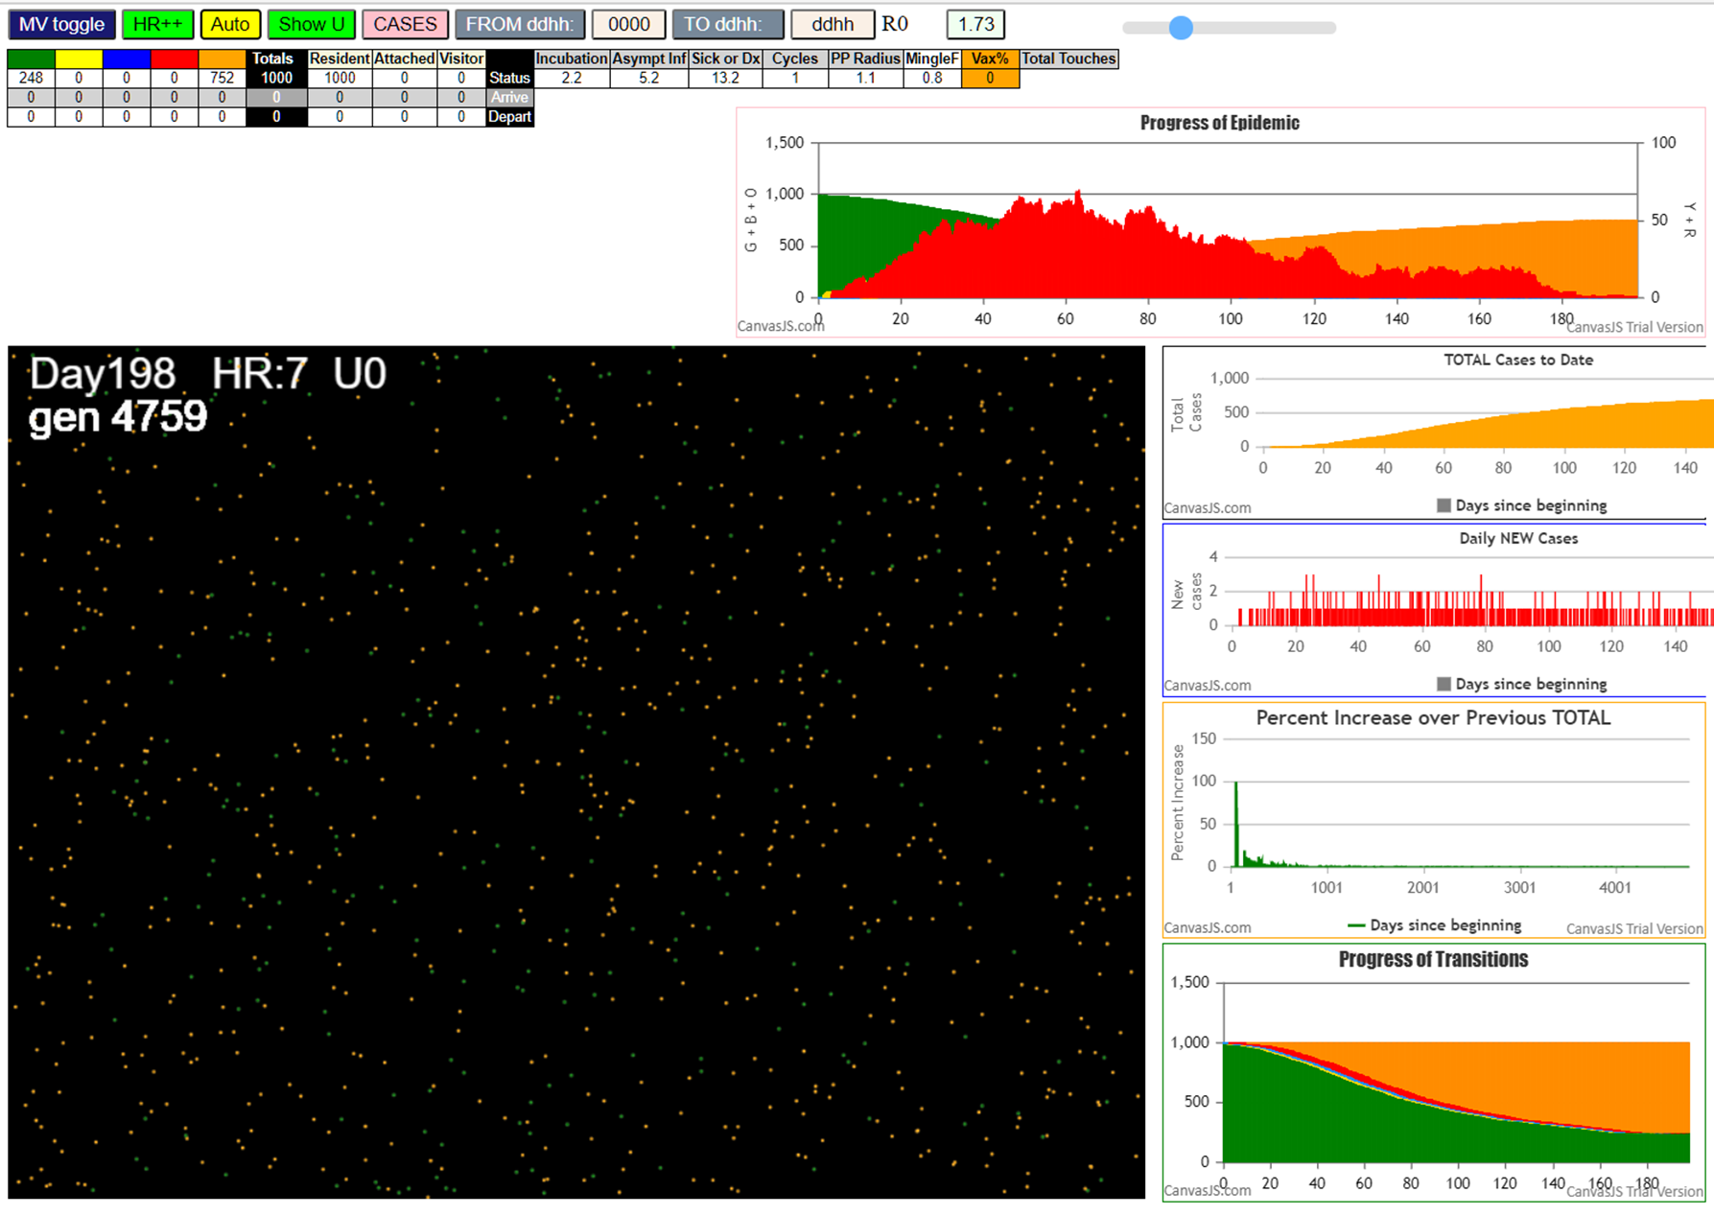
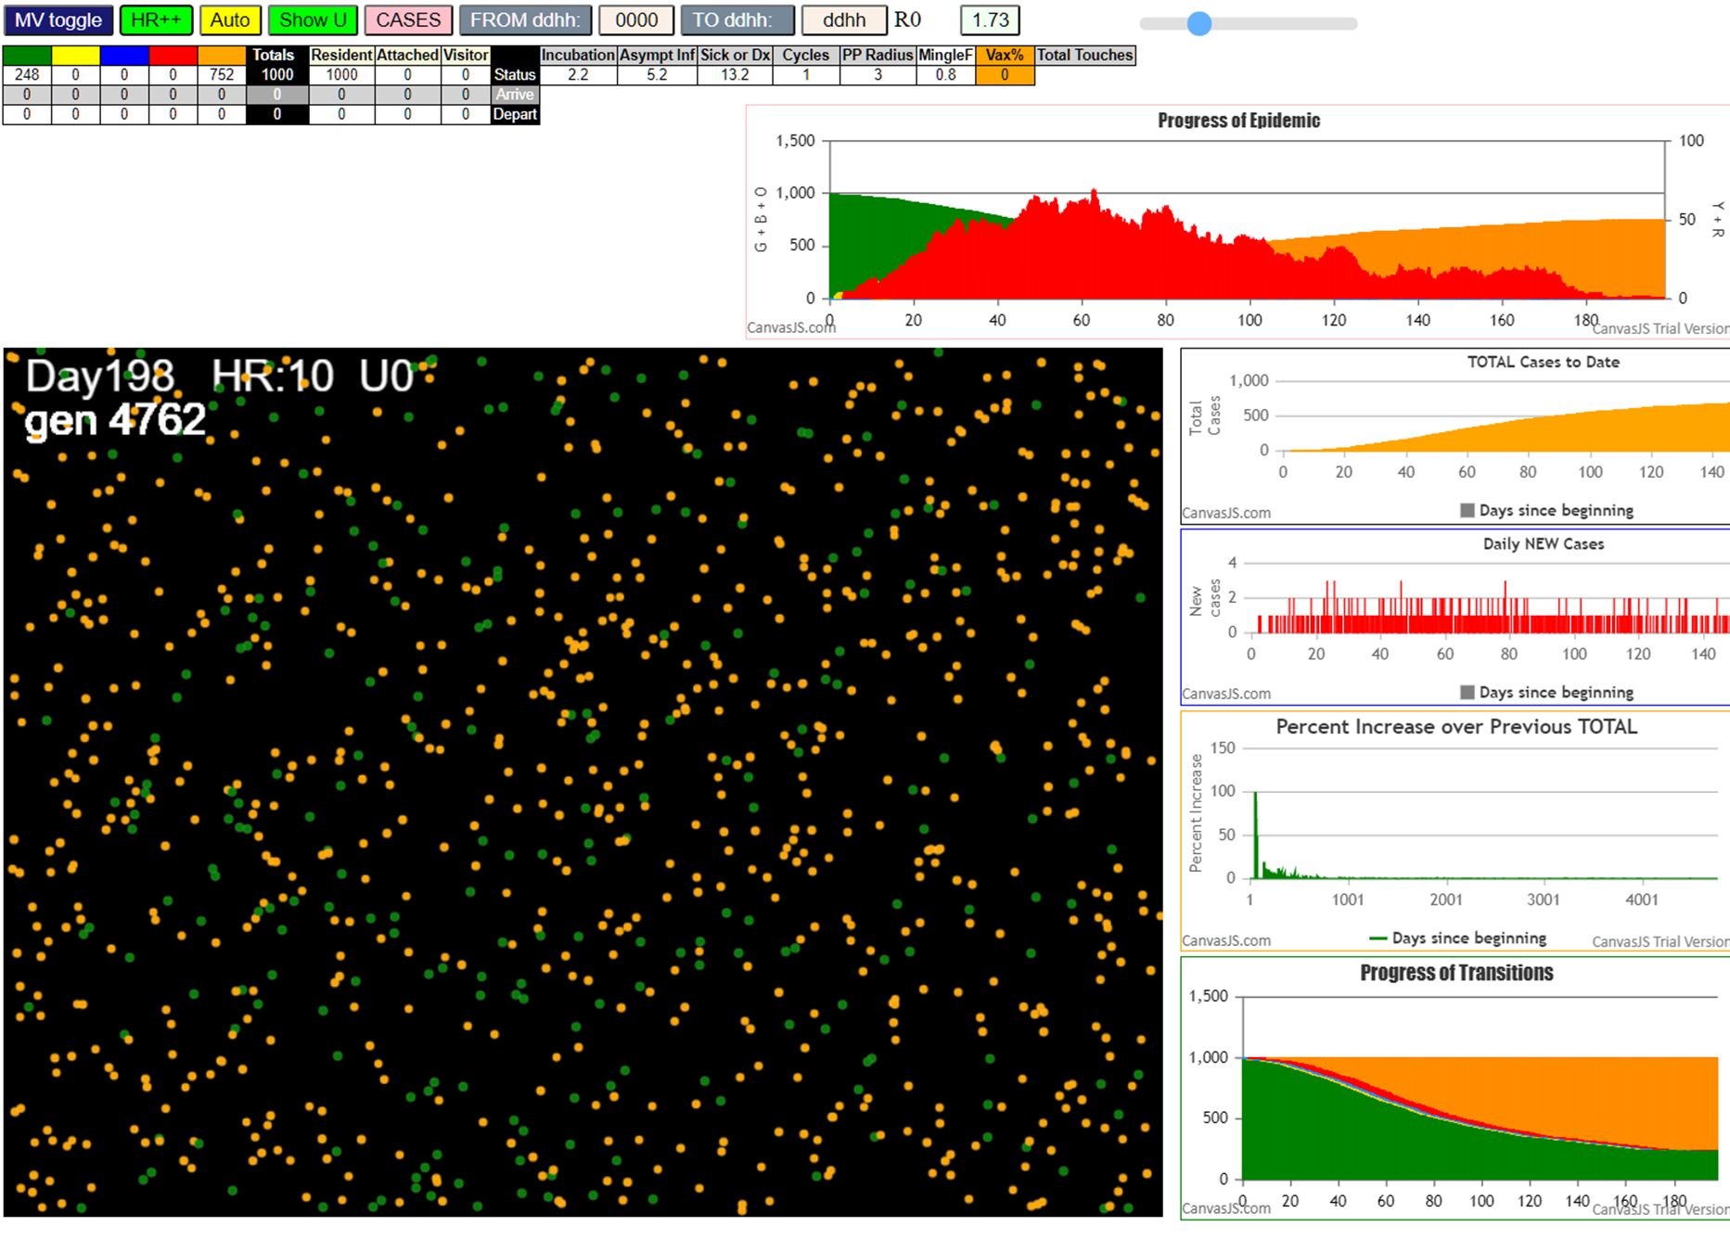

Some messages have been moved to the Issues panel.
CovidSIMVLvax.js:871 Tue Feb 16 2021 10:54:19 GMT-0800 (Pacific Standard Time)
CovidSIMVLvax.js:872 CovidSIMVL Feb 2021 supports CaseInfDays + HzR + mingleFactor/Univ + popnAges + Multiverse + RiskFactor
CovidSIMVLvax.js:873 CovidSIMVL Vax by VisibleU any day for n% remaining susceptibe; Mode1 and Mode2 two jabs
CovidSIMVLvax.js:874 Mode 1 >13 and <36 is 75%
CovidSIMVLvax.js:875 Mode 2 >28 is 95%; >13 and <29 is 75%
CovidSIMVLvax.js:4488 exit covidSim
CovidSIMVLvax.js:23 getAsText File {name: "Popn1000.csv", lastModified: 1611430642000, lastModifiedDate: Sat Jan 23 2021 11:37:22 GMT-0800 (Pacific Standard Time), webkitRelativePath: "", size: 23944, …}
...

